solution 1
Que (a) | Write an appropriate hypothesis test for this situation.
 | step-1
 | Null Hypothesis: Null Hypothesis is that According to Consensus 5% of the nation’s children had autism. Alternate Hypothesis: Alternate hypothesis is that increase in certain chemicals in the environment has led to an increase in autism
 | Ho : µ= 0.05
 | H1:µ≥ 0.05
(b) | Give an appropriate test for this hypothesis, stating what are the necessary conditions for performing the test.
 | step-2
 | Here The proportion value is given. As well an sample population is given so Z test can be performed
 | step-3
 | STEP 3.The Type I error rate is .05
(c) | (c) A recent study examined 384 children and found that 46 showed signs of autism. Perform a test of the hypothesis and state the p-value.
 | step-3

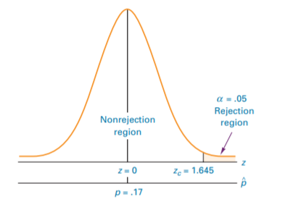
 | STEP 4. This test is a one-tailed test, and the table value is The sample results must yield an observed z value greater than 1.645 for autism cases in children to reject the null hypothesis. The following diagram shows z.05 and the rejection region for this problem.

 | step-5
 | ACTION: STEP 7. Because z = 10.45 is beyond zcritical = 1.645 in the rejection region, so rejects the null hypothesis. The probability of obtaining a z = 10.45 by chance is .0068. Because this probability is less than the null hypothesis is also rejected with the p-value. On the basis of the sample, proportion of autism in the children is more than the given proportion
 | STEP 6. z test value for proportion is 10.45
 | step-6
(d) | What are your conclusions? State how you use the p-value.

 | step-7
 | BUSINESS IMPLICATIONS:

 | Certainly the number of children with autism is more than the given proportion. So the exposure to the chemicals in the environment is certainly excess. There is a need to think over more organic/ natural way of may be farming, agriculture . Also chemical exposure can be due to environmental issues like pollution, usge of pesticides, fertilizers etc. So in order to limit the chemical exposure more natural ways of eating and pollution free environment is an option. since the sample proportion p(hat) is 0.165 which is grater than 0.068 | A critical proportion can be solved by

